Sheet1
Sites v/s Connections
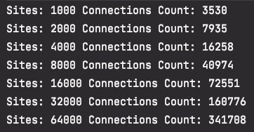

Sites | Count
1000 | 3530
2000 | 7935
4000 | 16258
8000 | 40974
16000 | 72551
32000 | 160776
64000 | 341708

Sites v/s N*LogN / 2
Sites | log N | N * Log N | (N * Log N) / 2
1000 | 9.9657842847 | 9965.7842847 | 4982.8921423
2000 | 10.965784285 | 21931.568569 | 10965.784285
4000 | 11.965784285 | 47863.137139 | 23931.568569
8000 | 12.965784285 | 103726.27428 | 51863.137139
16000 | 13.965784285 | 223452.54855 | 111726.27428
32000 | 14.965784285 | 478905.09711 | 239452.54855
64000 | 15.965784285 | 1021810.1942 | 510905.09711

Sites | N*LogN / 2
1000 | 4982.8921423
2000 | 10965.784285
4000 | 23931.568569
8000 | 51863.137139
16000 | 111726.27428
32000 | 239452.54855
64000 | 510905.09711

